Expansion Joint
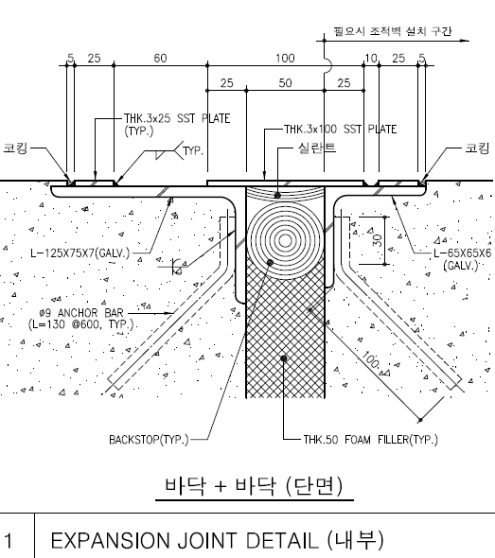
EJ for Wall | Total | 76
 | 낮은 지붕쪽 | 28
 |  |  | 14 | 서측
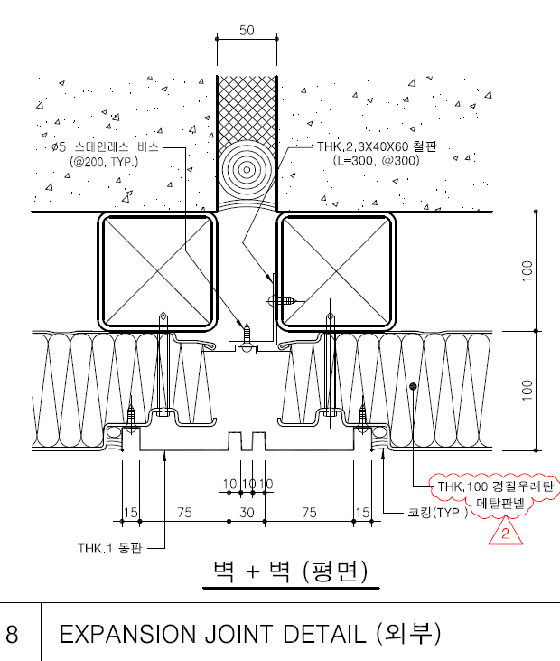
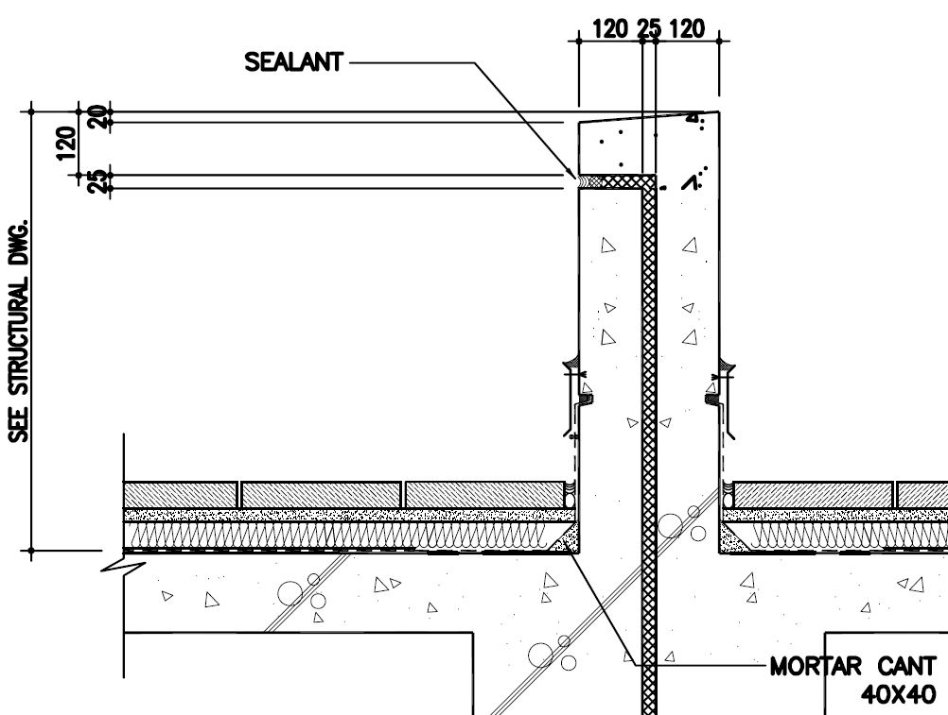
 |  |  | 14 | 남측

 | 높은 지붕쪽 | 48
 |  |  | 16 | 남측
 |  |  | 16 | 동측
 |  |  | 16 | 북측

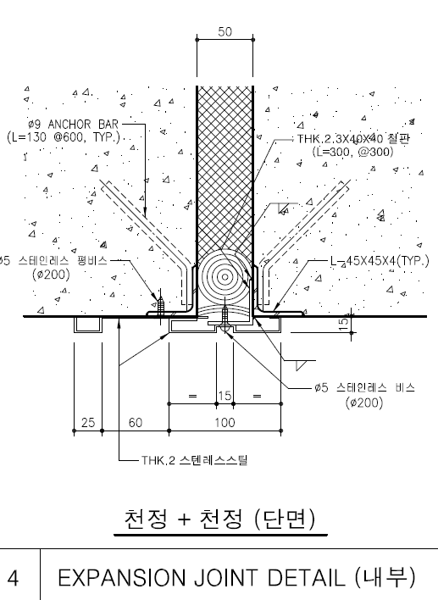

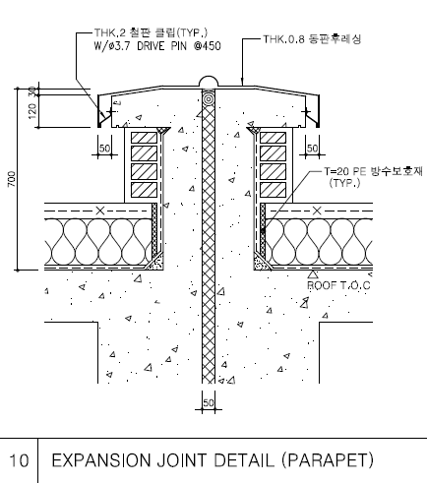
EJ for Parapet | Total | 12
 | 낮은 지붕쪽 | 4.8
 |  |  | 2.4 | 서측
 |  |  | 2.4 | 남측

 | 높은 지붕쪽 | 7.2
 |  |  | 2.4 | 남측
 |  |  | 2.4 | 동측
 |  |  | 2.4 | 북측

EJ for int Wall | Total | 994 |  |  |  | 7
 | BF | 196
 |  |  | 28

 | GF | 266
 |  |  | 1 | Grid A
 |  |  | 2 | Grid B
 |  |  | 2 | Grid C
 |  |  | 2 | Grid D | 양쪽
 |  |  | 2 | Grid E
 |  |  | 21 | Grid F
 |  |  | 2 | Grid H
 |  |  | 2 | Grid I
 |  |  | 2 | Grid J
 |  |  | 2 | Grid K

 | 1F | 266
 |  |  | 1 | Grid A
 |  |  | 2 | Grid B
 |  |  | 2 | Grid C
 |  |  | 2 | Grid D | 양쪽
 |  |  | 2 | Grid E
 |  |  | 21 | Grid F
 |  |  | 2 | Grid H
 |  |  | 2 | Grid I
 |  |  | 2 | Grid J
 |  |  | 2 | Grid K

 | 2F | 266
 |  |  | 1 | Grid A
 |  |  | 2 | Grid B
 |  |  | 2 | Grid C
 |  |  | 2 | Grid D | 양쪽
 |  |  | 2 | Grid E
 |  |  | 21 | Grid F
 |  |  | 2 | Grid H
 |  |  | 2 | Grid I
 |  |  | 2 | Grid J
 |  |  | 2 | Grid K

EJ for Floor | Total | 568.25
 | BF | 104.3
 |  |  | 62.65 | 그리드 F-G
 |  |  | 41.65 | 그리드 6-7

 | GF | 154.65
 |  |  | 36 | 그리드 17-18
 |  |  | 92.65 | 그리드 F-G
 |  |  | 26 | 그리드 6-7

 | 1F | 154.65
 |  |  | 36 | 그리드 17-18
 |  |  | 92.65 | 그리드 F-G
 |  |  | 26 | 그리드 6-7

 | 2F | 154.65
 |  |  | 36 | 그리드 17-18
 |  |  | 92.65 | 그리드 F-G
 |  |  | 26 | 그리드 6-7

EJ for Roof | Total | 154.65

 | ROOF | 154.65
 |  |  | 36 | 그리드 17-18
 |  |  | 92.65 | 그리드 F-G
 |  |  | 26 | 그리드 6-7

